AGREEMENT
 |  |  |  | 1139 Glendon Avenue Los Angeles, California 90024 phone: 310.824.1818 / fax: 310.492.0488 events@skylightgardens.com |  |  |  |  | Event ID: |  | 160621LRTCC |  |  | Event Date: |  |  | 6/21/2016
 |  |  |  |  |  |  |  |  | Payment: |  | credit card |  |  | When & Where: |  |  | 12:30 PM to 3:30 PM (rotunda)
 |  |  |  |  |  |  |  |  | Deposit: |  | $150 (by credit card) |  |  | Guest Guarantee: |  |  | 18 (final 3 business days before Event)
 |  |  |  |  |  |  |  |  | F & B Min: |  | $800 (+tax/service) |  |  | Event Menus: |  |  | f: plated | b: none

 | EVENT AGREEMENT |  |  |  |  | Tuesday, June 21, 2016

 | This Event Agreement (“Agreement”) made and entered on June 11, 2017, between Skylight Gardens (“Vendor”) and (“Host”) for the following Event (“Event”) on June 21, 2016 at Skylight Gardens, 1139 Glendon Avenue, Los Angeles, California 90024.

 | Host |  |  |  |  |  |  |  |  |  | Contact (one responsible contact must be present at Event)
description: |  |  |  |  |  |  |  |  |  |  | primary:
 | *host/org: |  |  |  |  |  |  |  |  |  | phone:
⬇⬇Valid Data Format: Date = mm/dd/yy (forward slash "/" between values) Time = 8:00 PM (time value followed by a space & PM or P)⬇⬇
 | address: |  |  |  |  |  |  |  |  |  | email:
 | address: |  |  |  |  |  |  |  |  |  | secondary:
 | city/state: |  |  |  |  |  |  |  |  |  | phone:
 | notes: |  |  |  |  |  |  |  |  |  | email:

 | Overview
 | event date |  | start time | end time | setup time |  | event type |  | event style |  |  | parking service |  | bar service |  |  | food service |  |  | event space
 | 2016-06-21 |  | 12:30:00 | 15:30:00 | 10:30:00 |  | semi-private |  | casual |  |  | undecided |  | none |  |  | plated |  |  | rotunda

 | date 2 |  | date 3 | date 4 | date 5 |  | date 6 | date 7 |  | date 8 |  | date 9 | date 10 |  | date 11 |  | date 12 |  | date 13 |  | date 14

 | Payment
 | event payment type |  |  | deposit payment type |  |  | deposit amount |  |  | service fee |  |  | guest guarantee |  |  |  |  | food & beverage min
 | credit card |  |  | credit card |  |  | $150 |  |  | 22% |  |  | 18 |  |  |  |  | $800
 | payment details:

 | Details
 | 1 | MENU: Your Final Event Menu (the “Menu”), or any changes to the agreed food and/or beverage Menu(s), must be agreed to, in writing, at least three (3) business days prior to your Event on Tuesday, June 21, 2016.
 | 2 | GUEST GUARENTEE: Your Guest Guarentee of 18 persons is considered approximate and non-binding until three (3) business days prior to your Event. If a final Guest Guarantee is not provided at least three (3) business days prior to your Event, the approximate Guest Guarantee initially contemplated in this Agreement will automatically convert to a final Guest Guarantee. The final Guest Guarantee will form the basis upon which the final Event bill will be computed and cannot be reduced. Full accommodations for more than a 15% increased guest count cannot be guaranteed without three (3) days notice.
 | 3 | FOOD & BEVERAGE MINIMUM: $800 (exclusive of 22% Service Fee, 9% California Sales Tax, and Gratuity.)
 | 4 | PARKING: Hosted-valet parking available for $6/per for less than 2-hours and $8/per for more than 2-hrs. Guest-valet parking is available at posted rates. Free validated self-parking is available in the parking garage across from the restaurant at 1100 Glendon Ave.
 | 5 | PAYMENT: Payment by credit card or approved check is due immediately upon the conclusion of the Event. Payments by check must be coordinated with and approved by your Event Manager at least five (5) business days prior to the Event. Skylight Gardens requests that all Event Hosts paying with a credit card present their physical card at the time of the Event. If your card is not available at the time of the Event, Host authorizes Skylight Gardens to charge any outstanding balance to the credit card authorized in the attached CC Authorization Form. Please note: Event payments in excess of $10,000 not paid by an approved check or wire transfer will incur a 3% credit card transaction fee. All returned Checks are subject to a $50 return fee.
 | 6 | DEPOSIT: A non-refundable Deposit, a Credit Card Authorization and this signed Agreement is required to confirm your Event reservation. Please make checks payable to “Skylight Gardens” and return with this Agreement. The balance, payable by cash, credit card or company check, is due on completion of the Event. Please see the attached Standard Terms & Conditions for our “Deposit” and “Cancellations” policy.
 | 6 | SERVICE FEE: All Food, Beverage and Event services are subject to a 22% Service Fee (allocated by management to your Event service staff and administration based on an assessment of the Event particulars and service needs).
 | 7 | SPECIAL PROVISIONS:

 | Acceptance (Valid only if signed and returned within three (3) business days of receipt.)
 |  |  |  |  |  |  |  |  |  |  |  |  |  |  |  | JJ Weiner
 | HOST - PRINTED NAME |  |  |  |  | HOST - SIGNATURE |  |  |  |  |  | DATE |  |  |  | EVENT MANAGER APPROVAL

 | STANDARD TERMS & CONDITIONS - 1 of 3 |  |  |  |  |  |  |  |  |  |  | EVENT ID #: 160621LRTAR

 | 1. Confirmation: To confirm your Event and reserve the designated Event Space, please sign and return this Event Agreement within three (3) business days of receipt. Once your completed: (1) Event Agreement with Standard Terms & Conditions, (2) Credit Card Authorization, and (3) Event Deposit are received and processed, your Event coordinator will contact you with a Event reservation confirmation. Your Event is considered held, but not confirmed, until the Deposit payment is received/processed. Please ensure all Agreement pages are complete and returned within the time specified as accommodations for Event Agreements returned more than three (3) business days after receipt cannot be guaranteed. |  |  |  |  |  |  |  |  |  |  |  |  |  |  |  |  |  |  |  | initial

 | 2. Deposit: A non-refundable Event Deposit of 25% to 50% (depending on the Event Space, Time and Day) is required to hold your Event reservation. The estimated outstanding balance is due ten (10) days in advance of the Event if payment is made by approved check, forty-eight (48) hours if the payment is made by cashiers check or money order, and at the conclusion of your Event if payment is made by an approved credit card. All Deposits will be applied to the final Event bill, which is due by the conclusion of the Event. Skylight Gardens reserves the right to cancel all or part of this Agreement if Deposit(s) are not received by the date(s) and amount(s) indicated. |  |  |  |  |  |  |  |  |  |  |  |  |  |  |  |  |  |  |  | initial

 | 3. Payment: A credit card, business check, cash, wire transfer, or cashier’s check may be used for payment. If you are using a company check or wire transfer for the Deposit or final payment, the check/wire transfer must be received at least ten (10) business days prior to your Event date and cleared at least three (3) days prior to your Event date. Approved business checks must be received at least five (5) business days prior to your Event and cleared prior to your Event date. A signed Credit Card Authorization (attached) is required for all Events. If you are using a credit card, a copy/scan/photo of the front and back of your credit card must accompany this signed agreement. Any outstanding fees incurred during the Event not included in the estimated costs must be paid and settled in full at the conclusion of your Event with either cash or credit card. No balances are to carry over past the day of the Event. All Event payments in excess of $10,000 will incur a 3% credit card transaction fee if not paid by a either an approved Business or Cashiers Check. |  |  |  |  |  |  |  |  |  |  |  |  |  |  |  |  |  |  |  | initial

 | 4. Taxes, Administrative Fees and Gratuity: All Food, Beverage, and Event services are subject to a 9% California State Sales Tax (rates subject to change) and a 7% Administrative Fee. Events with exceptional service requirements, as determined based on an assessment of each Event's particulars and service needs, will incur a 22% Service Fee (Administrative Fee incl.) for all Food, Beverage and Event Services. Event not charged a Service Fee are highly encouraged to leave gratuity for your attending wait staff in one of the suggested gratuity amounts. |  |  |  |  |  |  |  |  |  |  |  |  |  |  |  |  |  |  |  | initial
...

FLOOR A
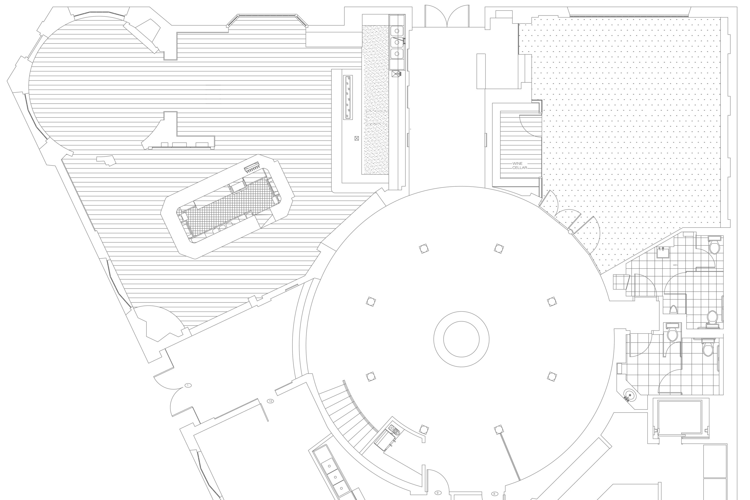
 |  | (hosted by: )

SP
 SP
Free Self Parking
1100 Glendon Ave
parking garage directly across from main entrance
 VP
Valet Parking
1139 Glendon Ave
valet available restaurant main entrance

Rotunda
seated - 27
reception - 40
tv
Event: | FLOOR PLAN |  | 1 Events: Tue, Jan 3 - rotunda, rotunda rotunda @ 12:00 AM

VP
fireplace
 | Event ID# |  |  | Event Contact (one responsible party must be present at Event)
 | 160621LRTCC
⬅ Glendon Ave ➔
fireplace
tv
 | Date
 | Tuesday |  |  |  | Contact (one responsible contact must be present at Event)
 | June 21
Stone Bar
seated - 20
10.5'
 | 2016
Bar Area
seated - 40
reception - 95
 | Event Time
 | 12:30 PM
 | to
tv
 | 3:30 PM

Whiskey & Wine Bar
reception - 95
 | Event Duration
 | 3.0 hrs

 | Event Space
 | rotunda
Atrium
(ground floor)
seated - 70
reception - 170
⬆ Bar A/V: two 60” flat screen TVs, one 55" flat screen TV, five 16” powered speakers, HDMI, audio mini jack, blu ray player, podium & lectern, wireless microphone
⬅ Lindbrook Dr. ➔
 | F & B Min
 | $800.00
Balcony
(second floor)
seated - 27
reception - 60
⬇ Studio A/V: one 60” flat screen TV, two 16” powered speakers, VGA, HDMI, audio mini jack, Blu-ray player, podium & lectern, wireless microphone
 | Guest Guarantee
 | 18

 | Food Service
 | plated
 |  |  |  |  |  | table #
⬆ Atrium A/V: ten 8” recessed celling speakers, audio mini jack, podium & lectern, wireless microphone
 | Bar Service
 | none
Studio
seated - 60
reception - 100
 | Event Style
 | semi-private, casual
Floor Plan Scale:
1" = 9.75'
.5" = 4.9'
.25" = 2.5'
.125" = 1.25'
50"
tv
 | 1139 Glendon Avenue Westwood Village Los Angeles, CA 90024 p: 310.824.1818 f: 310.492.0488
36"
24"

FLOOR B
 |  | (hosted by: )
 SP
Free Self Parking
1100 Glendon Ave
parking garage directly across from main entrance
 VP
Valet Parking
1139 Glendon Ave
valet available restaurant main entrance

Rotunda
Event: | FLOOR PLAN |  | 1 Events: Tue, Jan 3 - rotunda, rotunda rotunda @ 12:00 AM

 | Event ID# |  |  | Event Contact (one responsible party must be present at Event)
 | 160621LRTCC
⬅ Glendon Ave ➔
 | Date
 | Tuesday |  |  |  | Contact (one responsible contact must be present at Event)
 | June 21
Stone Bar
 | 2016
Bar Area
 | Event Time
 | 12:30 PM
 | to
 | 3:30 PM

Whiskey & Wine Bar
 | Event Duration
 | 3.0 hrs

 | Event Space
 | rotunda
⬅ Lindbrook Dr. ➔
Atrium
 | F & B Min
 | $800.00

Balcony
 | Guest Guarantee
 | 18

 | Food Service
 | plated
...
 | Bar Service
 | none

Studio
 | Event Style
 | semi-private, casual
Floor Plan Scale:
1" = 9.75'
.5" = 4.9'
.25" = 2.5'
.125" = 1.25'
50"
 | 1139 Glendon Avenue Westwood Village Los Angeles, CA 90024 p: 310.824.1818 f: 310.492.0488
36"
24"

CC AUTH
Event ID: | 160621LRTCC |  | Date: |  | 6/21/2016
Payment: | credit card |  | When: |  | 12:30 PM to 3:30 PM
Deposit: | $150 |  |  | Where: | rotunda
F&B Min: | $800 +tax/service |  |  | Menus: | f: plated | b: none

 |  | June 21, 2016

⬇⬇ Host Info from Event Agreement Sheet ⬇⬇
...
organization:
address:
address:
city/state:
notes:
...
organization:
address:
address:
...

FACT 1
160621LRTCC
 |  |  | 1139 Glendon Avenue
 |  |  | Los Angeles, California 90024
 |  |  | phone: 310.824.1818 / fax: 310.492.0488
 |  |  | events@skylightgardens.com

⬇ Auto filled using Agreement sheet data ⬇
 | FACT SHEET

 | Event Host
 | about:
 | *host/org:
 | address:
 | address:
⬆⬇ Auto filled using Agreement sheet data. ⬆⬇
 | city/state:
 | notes:

 | Overview
 | event date |  | start time | end time |  | payment type
 | 2016-06-21 |  | 12:30:00 | 15:30:00 |  | credit card
Guest Guarantee adjustment scroll bar, final Guest Guarantee may be fluctuate between Events in series ➔
 | event # |  | setup time | event duration |  | parking service
 | single event |  | 10:30:00 | 3.0 hours |  | undecided

 | Timeline
 | # | time | task
 | 1
 | 2
 | 3
 | 4
 | 5
 | 6
 | 7
 | 8
 | 9
 | 10
⬇⬇Always enter a table # below when processing a deposit. All Events must also have a Club Account on the POS System.⬇⬇
 | Deposit
 | payment status |  | deposit amount | deposit type |  | date processed
 | not processed |  | $150 | credit card

 | Billing & Payment (suggested gratuity is discretionary and may be changed at any time)
 | event director |  | event payment type |  | food & beverage min |  | guest guarantee
 | JJ Weiner |  | credit card |  | $800.00 |  | 18 guests

 | cake fee |  | corkage fee | captains fee |  | miscellaneous fees
 | $2.5/ea. |  | $25/ea.

 | billing & payment instructions: |  | Balance due @ conclusion with credit card authorization

 | KITCHEN
Carriage Return in Cell: Mac = (⌘ command + ⌥ option + ↵ enter) Windows = (Alt + Enter)
 | room: rotunda |  | bar: none | food: plated |  | guests: 18

 | Event Menus
 | reception menu

 | prix fixe menu
 | STARTER -select one- soup of the day chef’s selection caesar chopped romaine, shaved parmigiano, crostini, caesar dressing ENTRÉE -select one- pulled short rib sandwich slow cooked all-natural beef short rib, house special coleslaw, jalapeño aioli, barbecue sauce, brioche bun pollo e avocado panino grilled organic chicken breast, caramelized onions, avocado, mixed greens, tomato, jalapeño aioli, provolone, italian ciabatta penne all’arrabbiata garlic, red pepper, italian parsley, spicy tomato sauce DOLCE Tiramisu

 | beverage menu
...

CAP 1
...
yy |  | mm |  | dd |  | shift | room/space |  | payment terms
1 | 4 | 0 | 1 | 2 | 2 | D | S | T | A | R
...
